Table 1
IDTA 02012-1-0 Information Model for P&I Diagrams based on DEXPI Standard September 2023
S P E C I F I C A T I O N
Submodel Template of the Asset Administration Shell

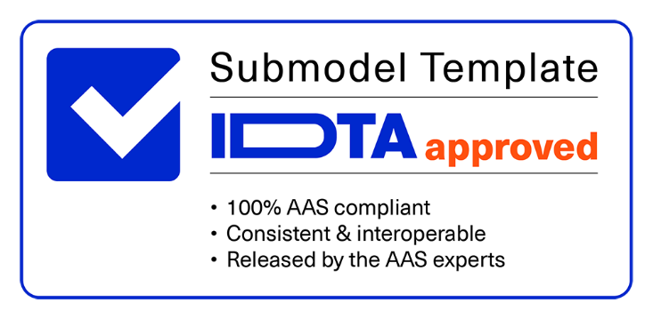

Imprint
Publisher Industrial Digital Twin Association Lyoner Strasse 18 60528 Frankfurt am Main Germany https://www.industrialdigitaltwin.org/ Version history
Date | Version | Comment
2023-01-09 | 1.0 | Release of the official Submodel template published by IDTA.
Contents
1 General 6 1.1 About this document 6 1.2 Scope of the Submodel 6 1.3 Relevant standards for the Submodel template 7 1.4 Use cases, requirements and design decisions 7 1.4.1 UC1: DEXPI Handover 7 1.4.2 UC2: Local-Global Identifier Translation 7 1.4.3 Design Decisions 7 2 DEXPI Submodel 9 2.1 Approach 9 2.2 Submodel 11 2.3 Properties of the SMC PlantMetadata 12 2.4 Properties of the SMC Model{00} 15 2.5 Properties of the SMC ModelMetadata 16 2.6 Properties of the SMC MappingDirectory
Figures
Figure 1: Alignment of hierarchical structure elements according to different standards 8 Figure 2: UML class diagram of the Submodel 10
Tables
Table 1: Submodel DEXPI 11 Table 2: Properties of the SMC PlantMetadata 12 Table 3: Properties of the SMC Model 15 Table 4: Properties of the SMC ModelMetadata 16 Table 5: Properties of the SMC MappingDirectory 18 Table 6: Properties of the SMC LocalID within DEXPI 20 Table 7: Properties of the SMC LocalID within DEXPI 21 Table 8: List of Abbreviations 22
1 General
1.1 About this document This document is a part of a specification series. Each part specifies the contents of a Submodel template for the Asset Administration Shell (AAS). The AAS is described in [1], [2], [3] and [6]. First exemplary Submodel contents were described in [4], while the actual format of this document was derived by the "Administration Shell in Practice" [5]. The format aims to be very concise, giving only minimal necessary information for applying a Submodel template, while leaving deeper descriptions and specification of concepts, structures and mapping to the respective documents [1] to [6].
The target group of the specification are developers and engineers designing processes and plants and creating manufacturer information, which are describing assets in smart manufacturing by means of the Asset Administration Shell (AAS) and therefore need to create a Submodel instance with a hierarchy of SubmodelElements. This document especially details the question, which SubmodelElements with which semantic identification shall be used for this purpose.
1.2 Scope of the Submodel
The engineering of a process plant is a complex multi-disciplinary and multi-organizational process involving exchange of a vast number of (semi-)standardized artifacts like diagrams, drawings, tables, certificates, and other documents. One core artifact which is created and extended during the engineering process is the Piping & Instrumentation Diagram (P&ID) providing among others a good balance of abstraction between the physical layout of the plant (i.e., used equipment and piping connections) and its representation within the automation domain (i.e., signal types, tag names, logical connections between sensor and actuators). Due to this fact P&IDs are long-living artifacts which are frequently used during the whole plant’s lifecycle beyond the engineering phase [7]. Even though most engineering artifacts are created digitally, they are not necessarily exchanged in a machine-readable format. The lack of a machine-readable representation of engineering artifacts (including P&IDs) hinders the digital transformation and can be a showstopper for digital use-cases due to high costs of creation of a machine-readable P&ID representation. Efforts to create a standardized machine-readable exchange format for P&ID are made by the DEXPI working group of DECHEMA including operators from multiple verticals (e.g., Oil and Gas, and Chemistry), engineering companies, software tool vendors and research institutes. DEXPI [8] is an UML-Model implemented using an XML-based P&ID exchange format including multiple aspects of plant design like piping topology and its graphical representation, instrumentation structure, tag names. DEXPI is an open industrial standard aiming for a broad usage across industrial domains. Due to the paramount role of P&ID during the whole plant’s lifecycle, the importance of DEXPI has been identified by the Industry 4.0 community. Inclusion of DEXPI models into a standardized lifecycle information container – the Industry 4.0 Asset Administration Shell

1.3 Relevant standards for the Submodel template DEXPI specification version 1.3 [8] ISO 10209 IEC 62264 ISA 106
1.4 Use cases, requirements and design decisions
1.4.1 UC1: DEXPI Handover The first use case for the Submodel is the handover of the P&ID Information Models, encoded as DEXPI. One especial gap in the existing DEXPI specification is the lack of possibility to bundle multiple DEXPI files into one package. This is explicitly made possible by the present Submodel template definition. In case of combining multiple DEXPI models within one AAS Submodel, we assume that the DEXPI models share the same plant (segment) they are describing.
1.4.2 UC2: Local-Global Identifier Translation DEXPI as a P&ID specification contains valuable information, particularly the plant structure, which are relevant through the whole lifecycle of the plant especially during the operational phase. In addition, tag names for used equipment and details for its use in automation applications. In use case 2 the plant structure usually developed in basic engineering is used to systematically generate a (not yet existent) Role-AASs (cf. 1 for more information) used to further specify the apparatus/machines, piping and automation equipment in detail engineering to procure and construct the plant. Like other artifacts, DEXPI files are using local, i.e., file-unique, identifiers which DEXPI inherits from its current serialization format ProteusXML. These local element identifiers tend to change over time and there is also no warranty that there is no duplication of local IDs between different DEXPI models in one AAS Submodel (note that persistent IDs are planned in the upcoming DEXPI release 1.4 and will be incorporated in a future version of this Submodel template). To prevent the possible overlaps between local identifiers, a set of stable references is needed which are guaranteed not to change over time and also to be unique in a larger context (ideally, globally). These stable references pave a way to a set of use-cases which is described in NAMUR position papers on AAS usage in process industries1 2.
1.4.3 Design Decisions • No altering of the DEXPI standard. Identified points (e.g., missing stable identifiers, or missing possibility to package multiple DEXPI models) were communicated to the DEXPI working group. • Use of ISO 10209 to identify plant hierarchy levels, in case of redundant hierarchy definitions, e.g., ISO 10209 Plant Section and ISA-style Unit, within the DEXPI file, the latter should be ignored, and ISO 10209 be preferred. In case no ISO 10209 attribute is available, ISA-style attributes should be renamed and their values reused as indicated in the figure below.
1 https://www.namur.net/fileadmin/media_www/Dokumente/AK_POSITION_1.4_Verwaltungsschale-in-der- Prozessindustrie_Arten_EN_2023-05-03.pdf 2 https://www.namur.net/fileadmin/media_www/Dokumente/AK_POSITION_1.4_Verwaltungsschale_Use- Cases_EN_2023-05-03.pdf

Figure 1: Alignment of hierarchical structure elements according to different standards • Re-modeling of the DEXPI standard should happen as “sparse” as possible to avoid double-modeling and allow best-possible reuse of existing tools. In case double-modeling is required, common patterns from existing IDTA Submodel definitions should be used, i.e., o FragmentReference mechanisms as already used and described in the MTP Submodel template definition3. o Usage of existing Submodels, e.g., the “Hierarchical Structure enabling Bills of materials” Submodel template ID 020114 to represent/reference a hierarchy of plant segments which are described by the DEXPI file. • Reuse semantic IDs for elements included in the DEXPI standard, for example, meta data properties. This applies for semantic IDs where IRIs starting with “http://sandbox.dexpi.org/rdl/” or IRDIs are reused where applicable. • Slight extensions plant metadata attribute selection of the DEXPI specification to keep logical information combined, e.g., EnterpriseReference property along with EnterpriseName property.
3 https://github.com/admin-shell-io/submodel-templates/tree/main/published/MTP/1/0 4 To be found under https://industrialdigitaltwin.org/en/content-hub/submodels after publishing

 | 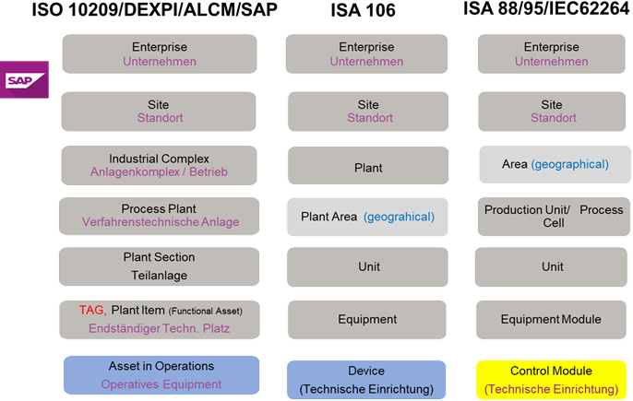
2 DEXPI Submodel
2.1 Approach The approach for building the Submodel is as follows: First, we partition the meta-data properties of the DEXPI model into: • Plant Metadata – attributes describing the actual plant (segment), and • Model Metadata – attributes related to the particular DEXPI model, e.g., the drawing title. The plant metadata is linked directly to the root of the Submodel and is hence shared between different DEXPI models representing P&IDs which are supplied using the Submodel. Each supplied model is represented via a dedicated SMC. The SMC contains a container for model metadata, the actual model file, i.e., DEXPI model in the XML serialization, an optional model representation, e.g., an SVG file, and an optional mapping directory containing mappings between local and global identifiers. Note that the Submodel can contain multiple DEXPI models sharing the same plant metadata which closes the gap of supplying a “bundle” of coherent DEXPI models in one information package (compare UC 1). The aim of the mapping directory is to create a reference between a locally identifiable element within the DEXPI model, e.g., a tagged element to an AssetId which can in a further step be resolved to one or many AASs supplying additional information on the DEXPI element, e.g., its requirements. This approach closes the gap of potentially non-unique and non-stable local Ids within the DEXPI file (originating from ProteusXML) specification (compare UC 2). The stable references are realized by common fragment reference techniques within the AAS information model. Additionally, ReferenceElements can be included within the plant metadata to contain reference elements pointing to Entity objects contained in other Submodels, e.g., in a BOM Submodel. These references can be used to resolve used plant hierarchy elements to respective Entities within Industry 4.0 domain.

Table 2
class Class Model 1 1

«SMC» PlantMetadata
+ DateOfManufacture :Date [0..1] + EndProductCASName :string [0..*] + EndProductName :string [0..*] + EnterpriseIdentificationCode :string [0..1] + EnterpriseName :string [0..1] + EnterpriseReference :ReferenceElement [0..1] + IndustrialComplexIdentificationCode :string [0..1] + IndustrialComplexName :string [0..1] + IndustrialComplexReference :ReferenceElement [0..1] + ManufacturerName :string [0..1] + PlantSectionIdentificationCode :string [0..1] + PlantSectionName :string [0..1] + PlantSectionReference :ReferenceElement [0..1] + ProcessPlantIdentificationCode :string [0..1] + ProcessPlantName :string [0..1] + ProcessPlantReference :ReferenceElement [0..1] + ProjectName :string [0..1] + ProjectNumber :string [0..1] + SiteIdentificationCode :string [0..1] + SiteName :string [0..1] + SiteReference :ReferenceElement [0..1] + SubProjectName :string [0..1] + SubProjectNumber :string [0..1]
 |  | «Submodel» DEXPI
 |  | + PlantMetadata :SMC + Model{00} :SMC [1..*]
 |  |  | 1..*
 | «SMC» Model{00}
 | + ModelMetadata :SMC + ModelFile :File + ModelRepresentation :File [0..1] + MappingDirectory :SMC [0..1]
 |  |  | 0..1
 | «SMC» MappingDirectory
 | + {LocalId within DEXPI} :SMC [0..*]
 |  |  | *
«SMC» {LocalId within DEXPI}
+ LocalId :string + {LocalId within DEXPI}_rel :RelationshipElement + Class :string
«SMC» ModelMetadata
+ ApprovalDate :Date [0..1] + ApprovalDescription :MLP [0..1] + ArchiveNumber :string [0..1] + CheckerName :string [0..1] + CreationDate :Date [0..1] + CreatorName :string [0..1] + DesignerName :string [0..1] + DrawingNumber :string [0..1] + DrawingSubTitle :MLP [0..1] + LastModificationDate :Date [0..1]
«SMC» SubTagMapping
+ SubTagName :string + ParentLocalId :string
«SMC» TagMapping
+ TagName :string


Figure 2: UML class diagram of the Submodel

